EDA_Customer Survey Analysis
Number of Interactions Per Account
Row Labels | Count of Interaction ID
9000001 | 2
9000002 | 1
9000003 | 1
9000004 | 1
9000005 | 2
9000006 | 2
9000007 | 2
9000008 | 2
9000009 | 2
9000010 | 2
9000011 | 2
9000012 | 2
9000013 | 2
9000014 | 2
9000015 | 2
9000016 | 2
9000017 | 2
9000018 | 2
9000019 | 2
9000020 | 2
9000021 | 2
9000022 | 2
9000023 | 2
Number of Interactions Per Day of Month
9000024 | 2
9000025 | 1
9000026 | 1
9000027 | 1
9000028 | 1
9000029 | 1 | Day | Count of Interaction ID
9000030 | 1 | 10 | 18
9000031 | 2 | 11 | 8
9000032 | 2 | 12 | 9
9000033 | 1 | 13 | 14
9000034 | 1 | 14 | 7
9000035 | 1 | 15 | 16
9000036 | 1 | 16 | 9
9000037 | 1 | 17 | 16
9000038 | 1 | 18 | 10
9000039 | 1 | 19 | 6
9000040 | 1 | 20 | 12
9000041 | 1 | 21 | 7
9000042 | 1 | 22 | 11
9000043 | 1
9000044 | 1
9000045 | 1
9000046 | 1
9000047 | 1
9000048 | 2
9000049 | 2
9000050 | 1
9000051 | 1
9000052 | 1
9000053 | 1
9000057 | 1
9000058 | 1
9000059 | 1
9000060 | 1
9000061 | 2
9000062 | 1
9000063 | 1
9000064 | 1
9000065 | 1
9000066 | 1
9000067 | 1
9000068 | 1
9000069 | 1
9000070 | 2
9000071 | 2
9000072 | 2
9000073 | 2
9000074 | 2
9000075 | 2
9000076 | 2
9000077 | 2
9000078 | 2
9000079 | 2
9000080 | 2
9000081 | 2
9000082 | 2
9000083 | 2
9000084 | 2
9000085 | 2
9000086 | 2
9000087 | 2
9000088 | 2
9000089 | 2
9000090 | 2
9000091 | 2
9000092 | 2
9000093 | 2
9000094 | 2
9000095 | 1
Grand Total | 143

EDA_Merged
1. Call Reason Analysis |  |  |  |  |  | 3. Have The Customers Tried Helping themselves?

CSAT <= 3 |  |  |  |  |  | Service Question: We need more work related to the website info and FAQ
Contact Reason | Count of Interaction ID |  |  |  |  | Row Labels | Count of Interaction ID
Add Services | 36 |  |  |  |  | Yes | 10
Billing Question | 21 |  |  |  |  | No | 3
Service Question
Service Question | 13
Billing Dispute | 12
Main Interaction Reason (CSAT <= 3 )
Cancel Service | 5
Change Plan | 5
Make a Payment | 4
Device Question | 2
Where is the problem coming from?

Contact Reason | Total Interactions | Low CSAT Count | CSAT %
Service Question | 13 | 13 | 100%
Add Services | 40 | 36 | 90%
Change Plan | 6 | 5 | 83%
Billing Dispute | 17 | 12 | 71%
Billing Question | 30 | 21 | 70%
Cancel Service | 8 | 5 | 63%
Device Question | 8 | 2 | 25%
Make a Payment | 21 | 4 | 19% |  |  |  |  |  | Contact | Count
 |  |  |  |  |  | Add Services: Did the customers try to add their own service? |  |  | App | 15
Total | 143 | 98 | 69% |  |  | Yes | 20 |  | IVR | 5
 |  |  |  |  |  | No | 16 |  | NA | 14
 |  |  |  |  |  |  |  |  | No Attempt | 2
Add Services

2. Verbatims Analysis

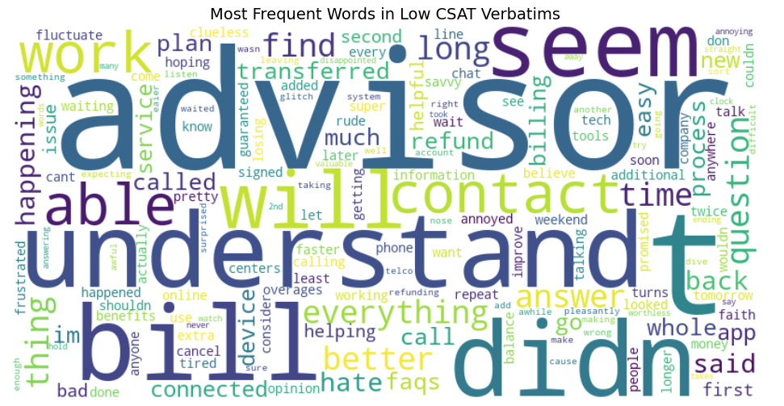
 |  |  |  |  |  |  |  | Self-Service | Trials
Verbatims analysis made using python (top 30 words) |  |  |  |  |  |  |  | App | 24 |  | Overall Status | Count
 |  |  |  |  |  |  |  | IVR | 8 |  | Yes | 39
 |  |  |  |  |  |  |  | NA | 14 |  | No | 59
 |  |  |  |  |  |  |  | No Attempt | 45
 |  |  |  |  |  |  |  | Web | 7
Most of the customers have tried with no luck in the most affected call reasons. This suggestts that those self-service might not be effective in addressing the customers' requests.
Billings show no trial which suggests that we don't have a self-service channel related to Billing Info or Disputes.
SelfService Use Overall

 |  |  |  |  |  | Change Plan: Did the customers try to change their own plan?
 |  |  |  |  |  | Yes | 5
 |  |  |  |  |  | No | 0

 |  |  |  |  |  | Billing Dispiute: Any attempts?
 |  |  |  |  |  | No | 12

 |  |  |  |  |  | Billing Question
 |  |  |  |  |  | No | 21

 |  |  |  |  |  | Cancel Service
 |  |  |  |  |  | Yes | 1
 |  |  |  |  |  | No | 4

 |  |  |  |  |  | 4. Does the Advisor Tier affect the overall rating?

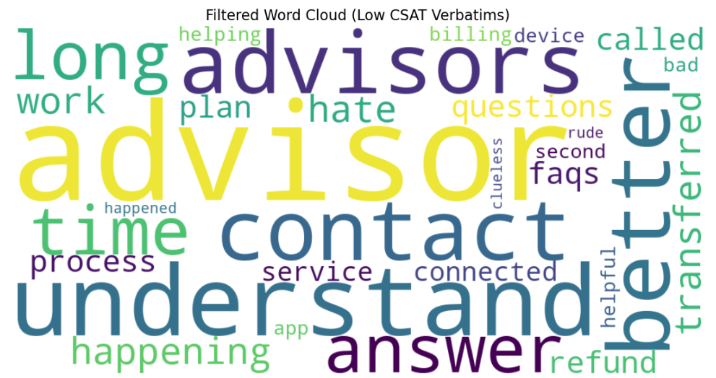

 |  |  |  |  |  | Tier 1 |  |  |  | Tier 2

 |  |  |  |  |  | 2 |  |  |  | 3
 |  |  |  |  |  | 1 |  |  |  | 5
 |  |  |  |  |  | 1 |  |  |  | 5
 |  |  |  |  |  | 1 |  |  |  | 3
 |  |  |  |  |  | 1 |  |  |  | 3
 |  |  |  |  |  | 5 | Tier 1 Summary Stats |  |  | 3 | Column1
 |  |  |  |  |  | 1 |  |  |  | 4
 |  |  |  |  |  | 1 | Mean | 2.26 |  | 3 | Mean | 3.54
 |  |  |  |  |  | 2 | Median | 2 |  | 3 | Median | 3
 |  |  |  |  |  | 2 | Mode | 1 |  | 3 | Mode | 3
 |  |  |  |  |  | 2 | Standard Deviation | 1.45 |  | 3 | Standard Deviation | 1.13
 |  |  |  |  |  | 3 | Range | 4 |  | 1 | Range | 4
 |  |  |  |  |  | 4 | Minimum | 1 |  | 1 | Minimum | 1
 |  |  |  |  |  | 4 | Maximum | 5 |  | 3 | Maximum | 5
 |  |  |  |  |  | 3 | Count | 74 |  | 3 | Count | 69
 |  |  |  |  |  | 2 |  |  |  | 3
 |  |  |  |  |  | 1 |  |  |  | 4
 |  |  |  |  |  | 5 |  |  |  | 3
 |  |  |  |  |  | 3 |  |  |  | 3
 |  |  |  |  |  | 1 |  |  |  | 2
 |  |  |  |  |  | 1 |  |  |  | 3
 |  |  |  |  |  | 1 |  |  |  | 5
 |  |  |  |  |  | 2 |  |  |  | 5
 |  |  |  |  |  | 3 |  |  |  | 3
5. Advisor Action Effect |  |  |  |  |  | 1 |  |  |  | 3
 |  |  |  |  |  | 4 |  |  |  | 5
 |  |  |  |  |  | 2 |  |  |  | 3
 |  |  |  |  |  | 1 |  |  |  | 4
Action | Interactions | Low CSAT Count | CAST % | Notes |  | 2 |  |  |  | 2
Disconnect | 13 | 13 | 100% |  |  | 5 |  |  |  | 5
Provide Info | 11 | 11 | 100% |  |  | 4 |  |  |  | 5
Transfer | 18 | 18 | 100% | All from Tier 1 ! |  | 1 |  |  |  | 4
Explain Bill | 6 | 5 | 83% |  |  | 5 |  |  |  | 5
Add Device | 10 | 8 | 80% |  |  | 1 |  |  |  | 3
Add Data | 13 | 10 | 77% |  |  | 5 |  |  |  | 3
Change Plan | 4 | 3 | 75% |  |  | 1 |  |  |  | 3
Cancel Service | 3 | 2 | 67% |  |  | 2 |  |  |  | 5
Refund Account | 39 | 25 | 64% |  |  | 1 |  |  |  | 4
Activate Device | 7 | 1 | 14% |  |  | 3 |  |  |  | 4
Process Payment | 19 | 2 | 11% |  |  | 1 |  |  |  | 5
 |  |  |  |  |  | 2 |  |  |  | 5
 |  |  |  |  |  | 1 |  |  |  | 3
6. Repeated Contact Effect |  |  |  |  |  | 1 |  |  |  | 4
 |  |  |  |  |  | 2 |  |  |  | 1
 |  |  |  |  |  | 1 |  |  |  | 3
Row Labels | High | Low | Grand Total | Low CAST % |  | 1 |  |  |  | 3
1 Contact | 27 | 14 | 41 | 34% | 66% | 1 |  |  |  | 3
2 Contacts | 18 | 84 | 102 | 82% | 18% | 4 |  |  |  | 3
Grand Total | 45 | 98 | 143 |  |  | 3 |  |  |  | 1
 |  |  |  |  |  | 3 |  |  |  | 3
 |  |  |  |  |  | 1 |  |  |  | 3
Repeated Contact Effect
 |  |  |  |  |  | 2 |  |  |  | 2
 |  |  |  |  |  | 1 |  |  |  | 3
 |  |  |  |  |  | 2 |  |  |  | 3
 |  |  |  |  |  | 2 |  |  |  | 3
 |  |  |  |  |  | 1 |  |  |  | 5
 |  |  |  |  |  | 1 |  |  |  | 3
 |  |  |  |  |  | 1 |  |  |  | 3
 |  |  |  |  |  | 2 |  |  |  | 4
 |  |  |  |  |  | 1 |  |  |  | 5
 |  |  |  |  |  | 5 |  |  |  | 3
 |  |  |  |  |  | 2 |  |  |  | 5
 |  |  |  |  |  | 4 |  |  |  | 5
 |  |  |  |  |  | 1 |  |  |  | 5
 |  |  |  |  |  | 5 |  |  |  | 3
 |  |  |  |  |  | 1 |  |  |  | 5
 |  |  |  |  |  | 1 |  |  |  | 5
 |  |  |  |  |  | 4 |  |  |  | 5
 |  |  |  |  |  | 3 |  |  |  | 5
 |  |  |  |  |  | 1
 |  |  |  |  |  | 5
 |  |  |  |  |  | 1
 |  |  |  |  |  | 5
 |  |  |  |  |  | 5

